How to use this tool
ALIA HLA Library compliance checklist
TOOL OVERVIEW
Health Libraries Australia has designed a checklist tool to help health libraries and librarians systematically collect evidence to demonstrate the success and value of their services by: • Tracking progress on the implementation of new services • Ensuring observance of codes of conduct • Demonstrating conformity with standards of practice • Monitoring compliance with new legislative requirements, as well as with organisational policies, procedures, or guidelines.
The tool recognises that there are many approaches to effecting change and measuring quality or continuous improvement. It can be used for internal audit (self-assessment) or external audit (external auditor or assessing body such as NSQHS SNAP auditors, PMVC assessor, OH&S inspectors). It is intended as a flexible guide, encouraging libraries to cultivate a culture of regular monitoring, evaluation, and reporting. By using this checklist, health libraries can more effectively assess their performance, support evidence-based decision-making, and showcase their impact within their organisations.

Three pre-populated worksheets (tabs) are included to help you: i) Organise compliance activities into relevant categories for your service. ii) Define measurable, manageable tasks and actions that can be tracked, allowing you to record progress and demonstrate evidence of compliance. iii) Utilise a feedback monitoring tool with sample questions to collect evidence of successful compliance, based on stakeholder feedback.
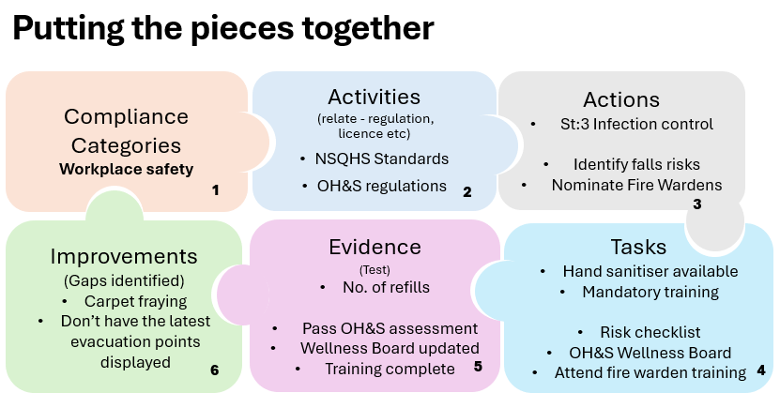
Compliance Categories & Activities
Conducting an audit is a valuable quality improvement activity to measure a library's service impact and business success. Compliance categories are suggestions to help you identify areas for monitoring improvement and demonstrating compliance. Matching the categories to operational objectives of your organisation helps with translation.

Task/Action progress overview
Collecting data in a consistent format at regular, scheduled intervals provides a clear understanding of how your resources relate to outcomes within a library business context. Activities may involve ongoing engagements comprised of a series of actions or steps. Maintaining a record of key legislation, licenses, standards, organisational policies, procedures, and guidelines that directly impact your service and inform your business decisions, demonstrates a best practice approach.

Feedback & Assessment
Regularly auditing your library services allows you to gather real-time data that will inform and enhance future decision-making, support change implementation, and streamline processes and practices. Soliciting feedback on specific actions taken to achieve compliance can help demonstrate progress and guide further improvements. Continuous monitoring, evaluation, and reporting are essential for governance and accountability. By establishing standard measurement criteria—whether against industry standards, local policies, or other benchmarks—the library can assess whether the skills and resources provided to users are effectively utilised. This approach also highlights any gaps between perceived and actual service delivery and knowledge, enabling targeted strategies to better meet user needs.

Version 2.0 (1 July 2026)

